Ranking
http://news.efinancialcareers.com/uk-en/154088/the-top-30-masters-in-finance-for-getting-a-job-in-investment-banking

https://www.findamasters.com/masters-degrees/?Keywords=hedge+fund
https://www.topuniversities.com/university-rankings/university-subject-rankings/2016/accounting-finance
http://scholarship-positions.com/category/scholarships-by-majors/economics-scholarships/
https://www.topuniversities.com/university-rankings/university-subject-rankings/2017/economics-econometrics

Link hoc bong: http://scholarship-positions.com/

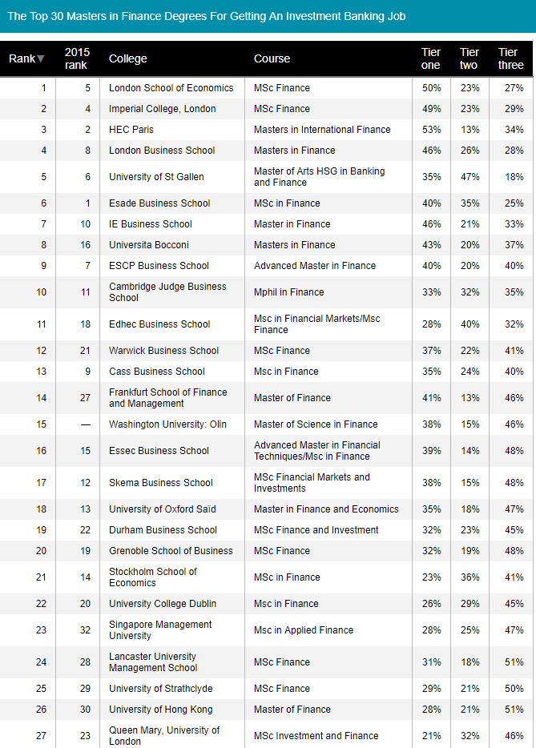

Major
-Msc Finance
-Msc Quantitative finance
-Investment management
-Master of financial analysis
Financial Forecasting and Investment - MSc

From <https://www.findamasters.com/masters-degrees/course/financial-forecasting-and-investment-msc/?i307d4959c11426>

